Sheet1
PIONEER SERVICES

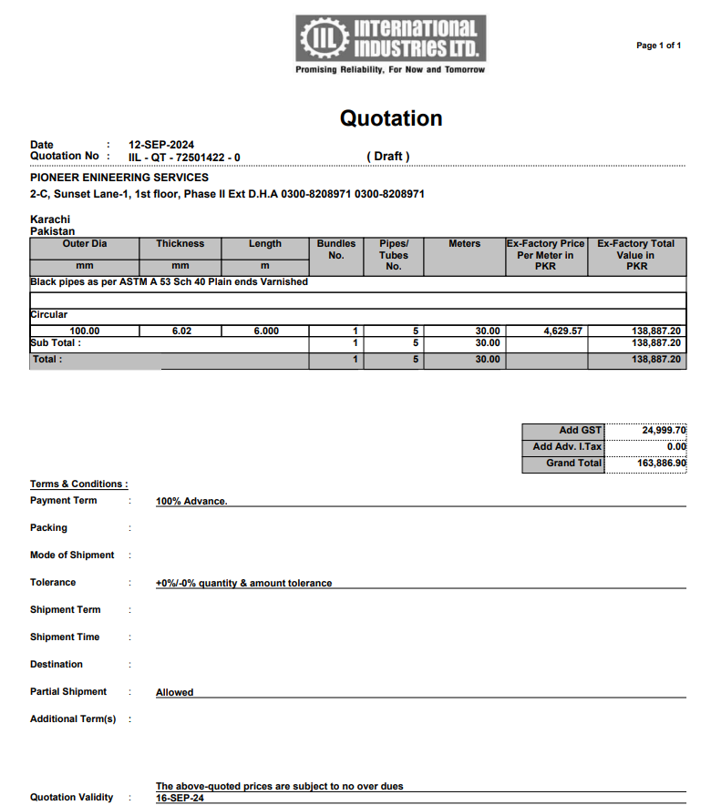

M/S International Industries Limited |  |  |  |  |  | 13-Sep-24

PO # 177

Att: Mr. Saif

PURCHASE ORDER

Supply of ERW Black Pipe Plain End for the project (Sana Safinaz Dolmen Mall Lahore)
S No. | D e s c r i p t i o n | Qty | Unit | Mtr | Rate | Amount
1 | ERW Black pipe Plain End 100mm | 5 | LEN | 30 | 4,629.57 | 138,887.10 | 4,630
 |  | Total |  |  |  | 138,887.10
GST 18% |  |  |  |  |  | 25,000
Total amount |  |  |  |  |  | 163,887

for Pioneer Engineering Services

